DDA
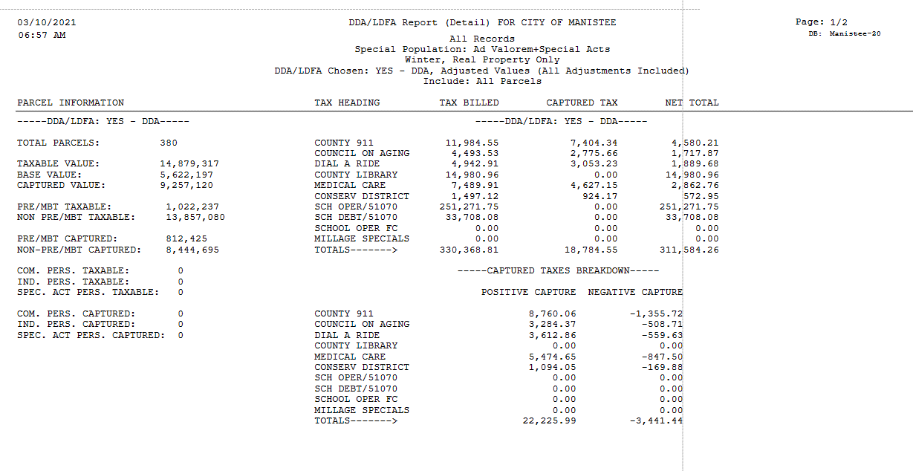
City of Manistee

2020 DDA Settlement Statement |  | Excludes Interest

Source: | Parcel Reports | Payment\Dist Reports
 | DDA\LDFA Detail | QuickTaxDisb
 | Adjusted Values | Summer\Winter
 | All Parcels | Real Only
 | Real Only | All Payments
 | Do Not Include Inactive | Separate DDA\TIF Totals
 | All Records | All Records
 | Ad Valorem + Spec | Ad Valorem + Spec
 | 2 reports W & S

 | 1 | 2 | 1 - 2
 | Report | Report
 | Total DDA | Tax | Calculated
 | Captured | Distributions | Remaining
Unit | Tax | to DDA | Payment

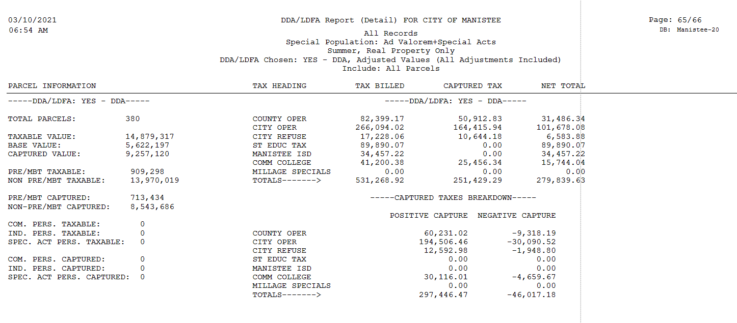
Summer

County Ops | $50,912.83 | $48,775.05 | $2,137.78
City | $164,415.94 | $157,512.34 | $6,903.60
Refuse | $10,644.18 | $10,197.12 | $447.06
WSCC | $25,456.34 | $24,387.18 | $1,069.16

 | $251,429.29 | $240,871.69 | $10,557.60

Winter

911 | $7,404.34 | $6,880.89 | $523.45
Council on Aging | $2,775.66 | $2,579.34 | $196.32
Dial a Ride | $3,053.23 | $2,837.08 | $216.15
Library | $- | $- | $-
Medical Care | $4,627.15 | $4,300.05 | $327.10
Conservation Dist | $924.17 | $858.58 | $65.59

 | $18,784.55 | $17,455.94 | $1,328.61

Total | $270,213.84 | $258,327.63 | $11,886.21

Notes: County only pays out delinquent real property taxes

Joslin
City of Manistee

2020 Joslin Cove Settlement Statement |  | Excludes Interest

Source: | Parcel Reports | Payment\Dist Reports |  | DDA Base Value | $18,426 | $64,225
 | DDA\LDFA Detail | QuickTaxDisb |  | BRA Base Value | $82,651 | $25,289
 | Adjusted Values | Summer\Winter |  | Taxable Value | $107,940
 | All Parcels | Real Only
 | Real Only | All Payments
 | Do Not Include Inactive | Separate DDA\TIF Totals
 | All Records | All Records
 | Ad Valorem + Spec | Ad Valorem + Spec
 | 2 reports W & S

 | 1 | 2 | 1 - 2
 | Report | Report
 | Total Joslin | Tax | Calculated
 | Captured | Distributions | Remaining
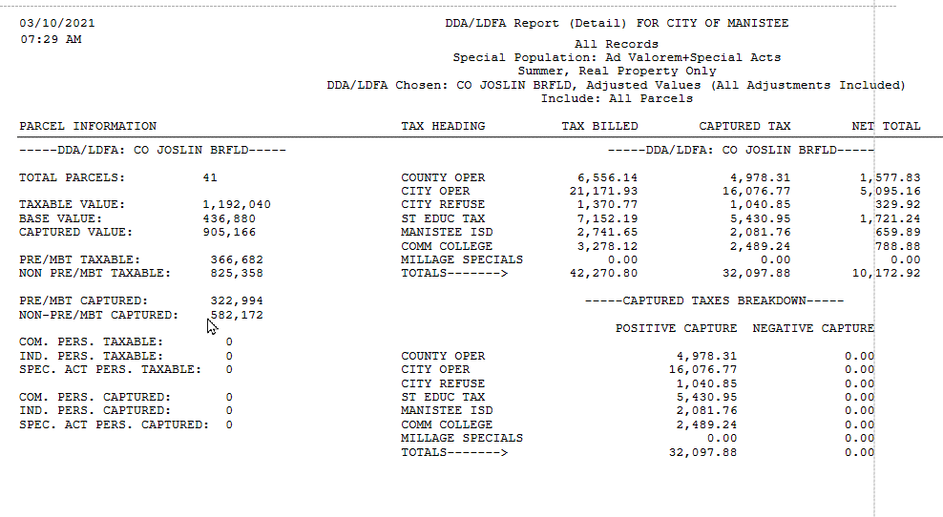
Unit | Tax | to DDA | Payment
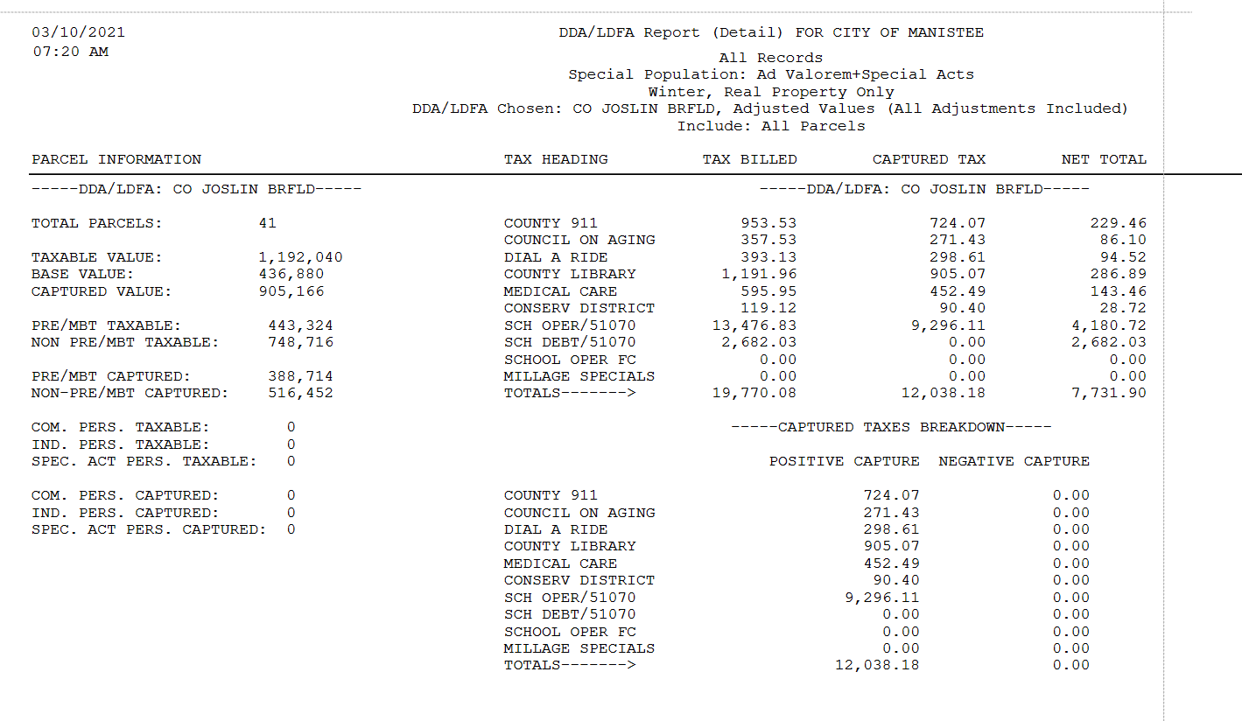
Summer

SET | $5,430.95 | $6,544.99 | $(1,114.04)
County Ops | $4,978.31 | $5,999.54 | $(1,021.23)
City | $16,076.77 | $19,374.53 | $(3,297.76)
Refuse | $1,040.85 | $1,254.39 | $(213.54)
ISD | $2,081.76 | $2,508.89 | $(427.13)
WSCC | $2,489.24 | $2,999.82 | $(510.58)

 | $32,097.88 | $38,682.16 | $(6,584.28)

Winter

911 | $724.07 | $872.57 | $(148.50)
Council on Aging | $271.43 | $327.17 | $(55.74)
Dial a Ride | $298.61 | $359.91 | $(61.30)
Library | $905.07 | $1,090.76 | $(185.69)
Medical Care | $452.49 | $545.35 | $(92.86)
Conservation Dist | $90.40 | $109.00 | $(18.60)
School Op | $9,296.11 | $11,655.23 | $(2,359.12)

 | $12,038.18 | $14,959.99 | $(2,921.81)

Total | $44,136.06 | $53,642.15 | $(9,506.09)

Notes: County only pays out delinquent real property taxes

SouthWash
City of Manistee

2020 South Washington Settlement Statement

Source: | Parcel Reports | Payment\Dist Reports
 | DDA\LDFA Detail | QuickTaxDisb
 | Adjusted Values | Summer\Winter
 | All Parcels | Real Only
 | Real Only | All Payments
 | Do Not Include Inactive | Separate DDA\TIF Totals
 | All Records | All Records
 | Ad Valorem + Spec | Ad Valorem + Spec
 | 2 reports W & S

 | 1 | 2 | 1 - 2
 |  | Report
 | Total SWA | Tax | Calculated
 | Captured | Distributions | Remaining
Unit | Tax | to DDA | Payment

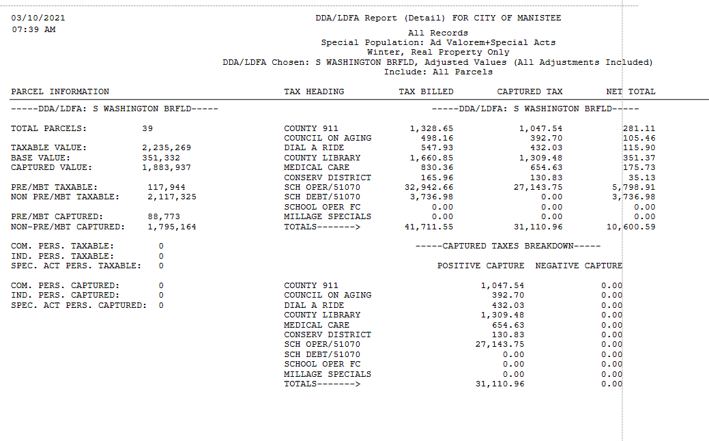
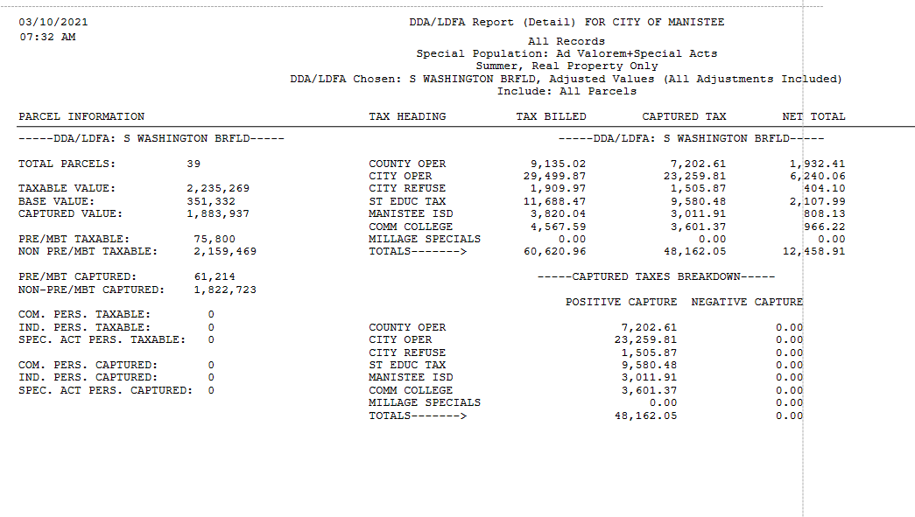
Summer

SET | $9,580.48 | $9,907.08 | $(326.60) | 12.09% | $47.90
County Ops | $7,202.61 | $7,565.75 | $(363.14) | 9.09% | $36.01
City | $23,259.81 | $24,432.53 | $(1,172.72) | 29.34% | $116.29
Refuse | $1,505.87 | $1,581.83 | $(75.96) | 1.90% | $7.53
ISD | $3,011.91 | $3,163.79 | $(151.88) | 3.80% | $15.06
WSCC | $3,601.37 | $3,782.93 | $(181.56) | 4.54% | $18.01

 | $48,162.05 | $50,433.91 | $(2,271.86)

Winter

911 | $1,047.54 | $1,054.62 | $(7.08) | 1.32% | $5.24
Council on Aging | $392.70 | $395.44 | $(2.74) | 0.50% | $1.96
Dial a Ride | $432.03 | $435.03 | $(3.00) | 0.54% | $2.16
Library | $1,309.48 | $1,318.39 | $(8.91) | 1.65% | $6.55
Med Care | $654.63 | $659.06 | $(4.43) | 0.83% | $3.27
Conservation Dist | $130.83 | $131.68 | $(0.85) | 0.17% | $0.65
School Op | $27,143.75 | $26,720.41 | $423.34 | 34.24% | $135.71

 | $31,110.96 | $30,714.63 | $396.33 | 100.00% | $396.33

Total | $79,273.01 | $81,148.54 | $(1,875.53)

Notes: County only pays out delinquent real property taxes

338 River
City of Manistee

2020 338 River St. Settlement Statement

Source: | Parcel Reports | Payment\Dist Reports |  | DDA Base Value |  | $18,426 | $64,225
 | DDA\LDFA Detail | QuickTaxDisb |  | BRA Base Value |  | $82,651 | $25,289
 | Adjusted Values | Summer\Winter |  | Taxable Value |  | $107,940
 | All Parcels | Real Only
 | Real Only | All Payments
 | Do Not Include Inactive | Separate DDA\TIF Totals
 | All Records | All Records
 | Ad Valorem + Spec | Ad Valorem + Spec
 | 2 reports W & S

 | 1 | 2 | 1 - 2
 |  | Report
 | Total SWA | Tax | Calculated
 | Captured | Distributions | Remaining
Unit | Tax | to DDA | Payment

Summer
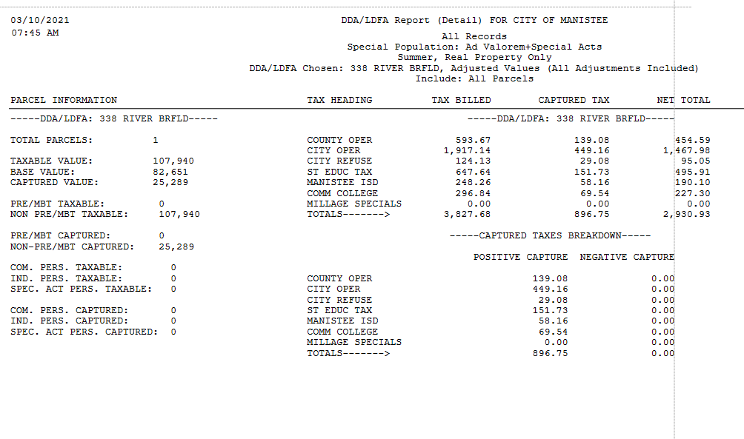
SET | $151.73 | $151.73 | $- | 6.0000 | $151.73
County Ops | $139.08 | $139.08 | $- | 5.5000 | $139.09
City | $449.16 | $449.16 | $- | 17.7612 | $449.16
Refuse | $29.08 | $29.08 | $- | 1.1500 | $29.08
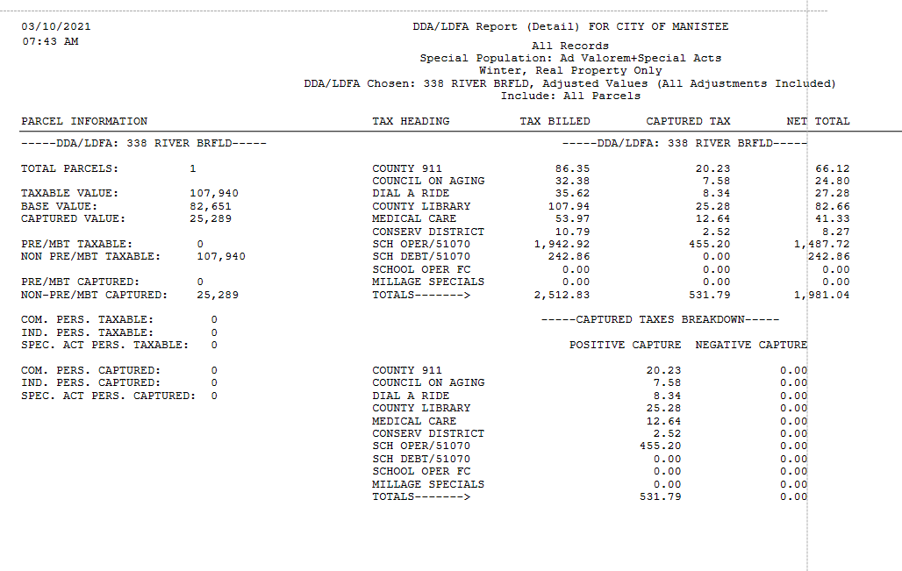
ISD | $58.16 | $58.16 | $- | 2.3000 | $58.16
WSCC | $69.54 | $69.54 | $- | 2.7501 | $69.55

 | $896.75 | $896.75 | $- |  | $896.78

Winter

911 | $20.23 | $20.53 | $(0.30) | 0.8000 | $20.23
Council on Aging | $7.58 | $7.70 | $(0.12) | 0.3000 | $7.59
Dial a Ride | $8.34 | $8.46 | $(0.12) | 0.3300 | $8.35
Library | $25.28 | $25.66 | $(0.38) | 1.0000 | $25.29
Med Care | $12.64 | $12.82 | $(0.18) | 0.5000 | $12.64
Conservation Dist | $2.52 | $2.56 | $(0.04) | 0.1000 | $2.53
School Op | $455.20 | $438.77 | $16.43 | 18.0000 | $455.20

 | $531.79 | $516.50 | $15.29 |  | $531.83

Total | $1,428.54 | $1,413.25 | $15.29 |  | $1,428.61

Notes: County only pays out delinquent real property taxes

